Excel Agent Mode
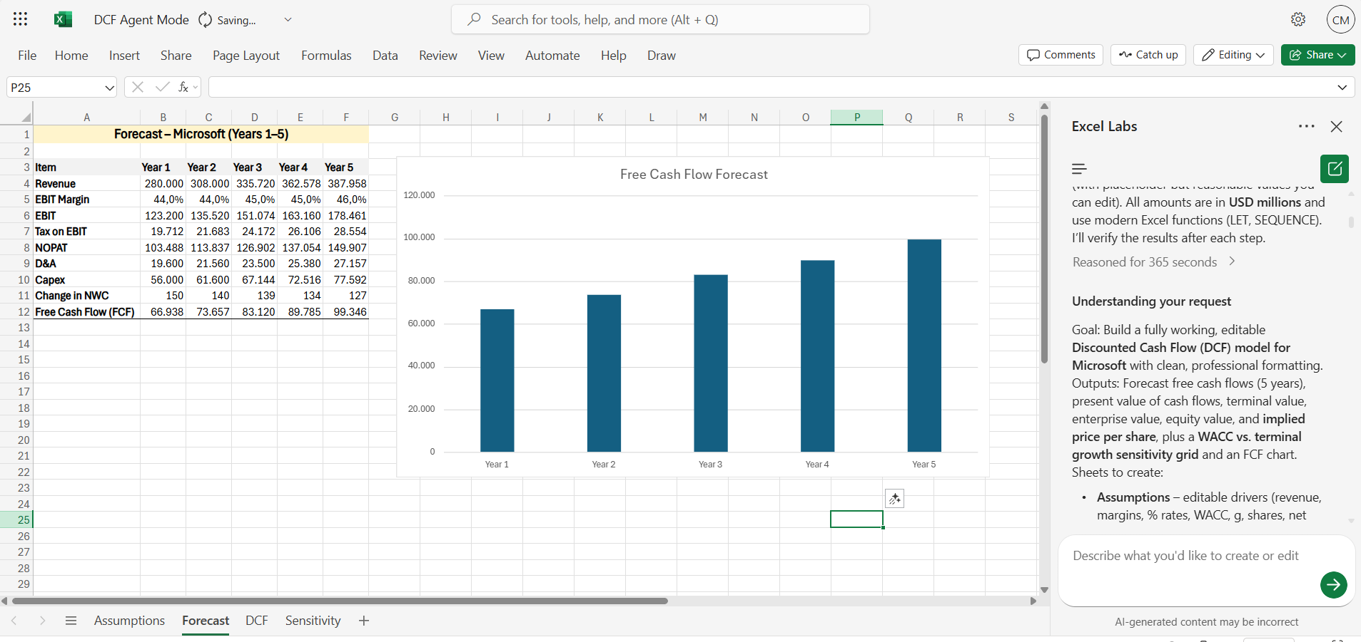
Agent Mode in Excel for Finance Guide
by Christian Martinez
Excel is the world’s most versatile data modeling tool—powering everything from household budgets to Fortune 500 profit and loss statements (P&Ls). Yet, the full power of Excel is available only to expert users. Agent Mode changes that. Agent Mode delivers AI that can “speak Excel” natively. It’s built on the richness of Excel artifacts and OpenAI’s latest reasoning models—democratizing access to expert-level capabilities and making advanced modeling approachable for most everyone. These breakthroughs allow Agent Mode to not only generate outputs, but also evaluate results, fix issues, and repeat the process until the outcome is verified. It’s like you’re handing off work to an Excel expert—while you steer and guide. | 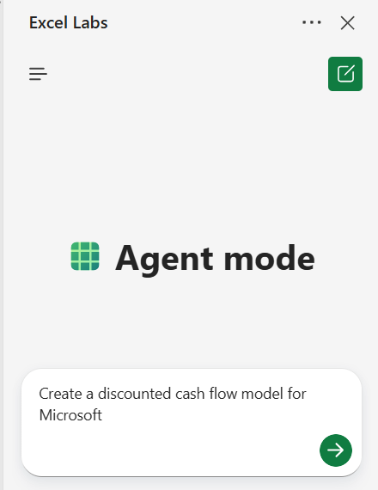

Availability

Agent Mode in Copilot for Excel is available starting today in the Frontier program for Microsoft 365 Copilot licensed customers and Microsoft 365 Personal or Family subscribers. Agent Mode works in Excel on the web and is coming soon to desktop. To try it, install the Excel Labs add-in and choose Agent Mode.

Agent Mode in Copilot for Word begins rolling out today in the Frontier program for Microsoft 365 Copilot licensed customers and Microsoft 365 Personal or Family subscribers. Agent Mode works in Word on the web, with desktop coming soon. Get started here.

Office Agent is available today in the Frontier program for Microsoft 365 Personal or Family subscribers based in the United States. Office Agent works in Microsoft 365 Copilot on the web in English. Get started here.

For more information, read the Agent Mode in Excel blog and Office Agent blog.

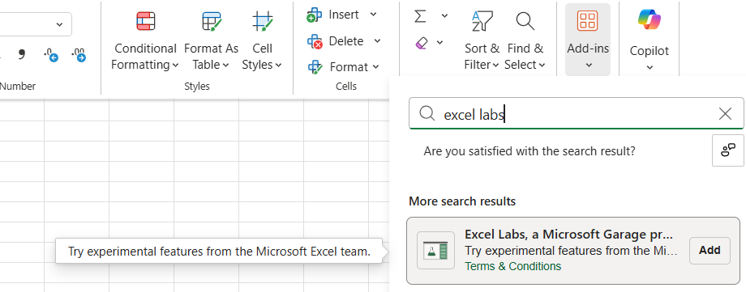
Where to find Agent Mode

1. Create a new workbook in Excel for the web.

Tip: Use https://excel.new to quickly create new Excel workbooks.

2. Select Home > Add-ins and search for “Excel Labs”.

3. Select the Add button.

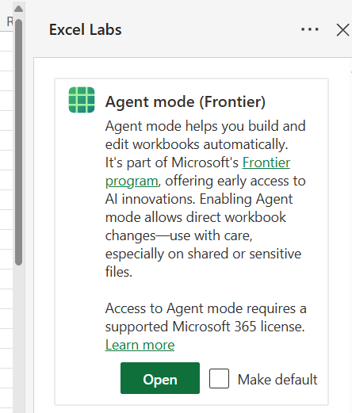
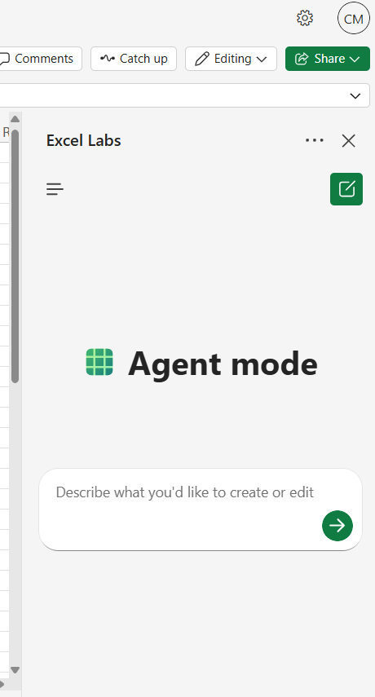
4. This should open the Excel Labs add-in. If it did not, navigate to the Home tab, then select the Excel Labs
button in the ribbon.

5. If this is the first time using Excel Labs, select Accept and Continue, to learn more select Get Details.

6. Within the Excel Labs add-in pane, you should see the feature gallery, select Agent Mode. Optionally set it as your default, this will bypass the feature gallery next time you use Excel Labs.

How to use Agent Mode

1. Navigate to the Home tab, then select the Excel Labs
button in the ribbon.

2. Choose Agent mode in the Excel Labs task pane. Note that if you selected the “Make default” option previously, you should be able to skip this step.

Prompts to try

Create an annual financial close report for a bike shop business, including a breakdown of product lines across variance to budget (VTB) and year-over-year growth. Use dummy data for now, as well as standard financial formatting and best practices.

Build a loan calculator that computes monthly payments based on user inputs for loan amount, annual interest rate, and term in years. Generate a schedule showing month, payment, principal, interest, and remaining balance. Present the results in a clear, formatted table.

Create a monthly household budget tracker with categories like Rent, Groceries, Utilities, Entertainment, Transportation, and Savings. Apply conditional formatting and data bars for % Over/Under Budget. Add a summary section showing planned versus actual spending with a donut chart to visualize spending distribution.

What to expect

After you submit a prompt, Agent Mode will reason about the task and devise a plan. It then interacts directly with your document executing that plan, reviewing the results, and evaluating whether the outcome matches the intent and iterating as needed. Learn more about how Agent mode works.

You can follow along its reasoning on the pane and as it makes changes live on your workbook.

Note that Agent Mode may continue iterating for a few minutes before completing. During this time, you’ll see its reasoning in the pane and a Stop button in the chat input box.

Other notes and tips

Be mindful of sensitive or shared files you use to work with Agent Mode, since it makes direct changes to them. Note that at any point you can easily undo or view prior versions of your workbook if you’d like to revert the changes.

Works only with the currently open workbook; cannot ground on other files, emails, or enterprise data.

No support for web search, enterprise search, or integration with external tools.

Use the thumbs up/down buttons to send feedback on your experience directly to Microsoft. Note: If you’re part of the Frontier early access program, you may also have access to special feedback channels or surveys—check your program welcome email or the Frontier portal for details.

Enterprise users: for questions about licensing or access, contact your IT admin or Microsoft account representative.

Performance and feature set may evolve-expect some variability in response times during early rollout based on capacity.

DCF Example
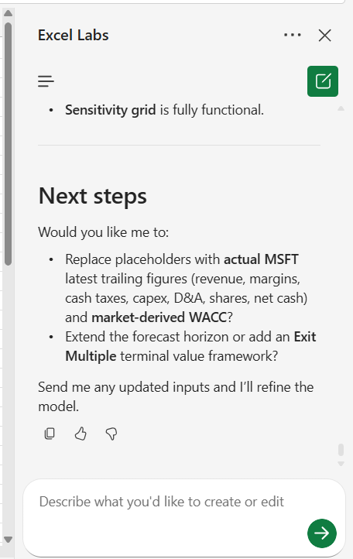
Prompt: | Create a discounted cash flow model for Microsoft

It will start understanding your request and show you the goal:
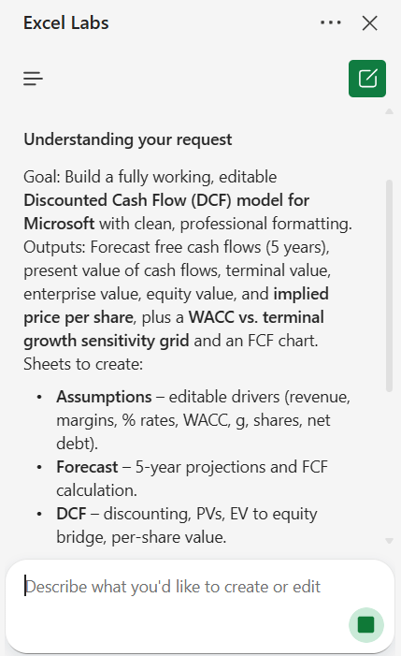

Then it will build this directly in the workbook

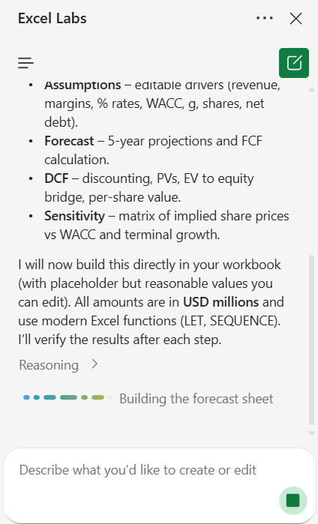

This is the output:

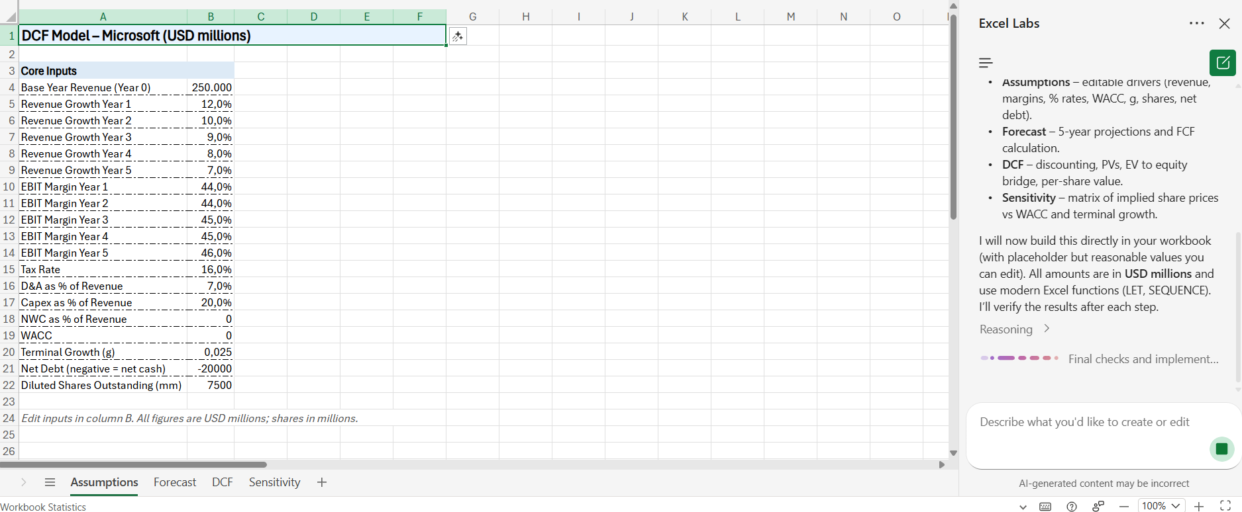

You can check the reasoning behind it and drop down on each of the planned activities

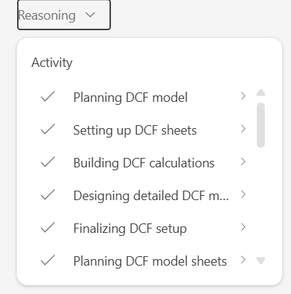

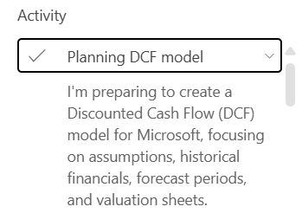

It also shows graphs!

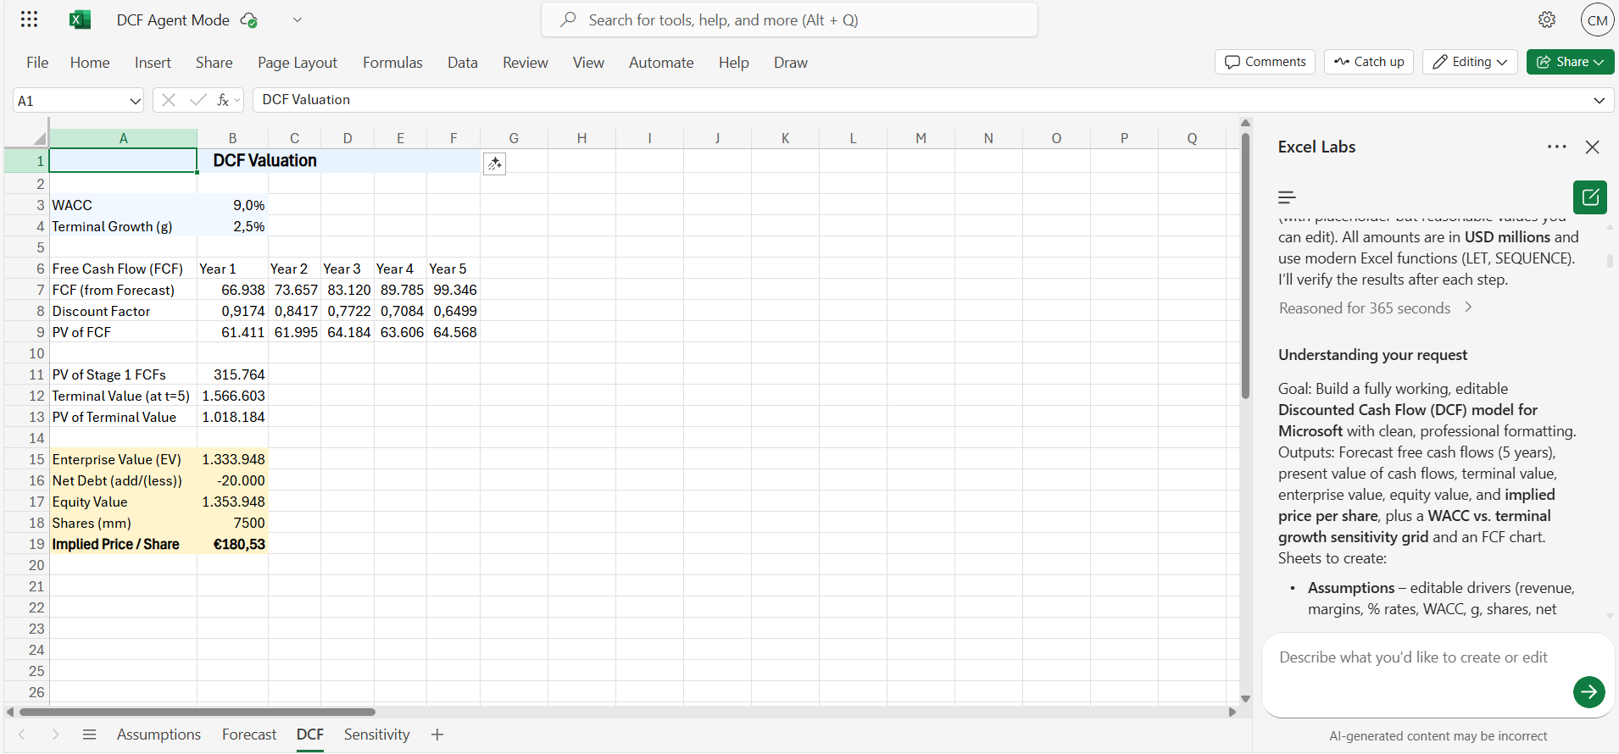

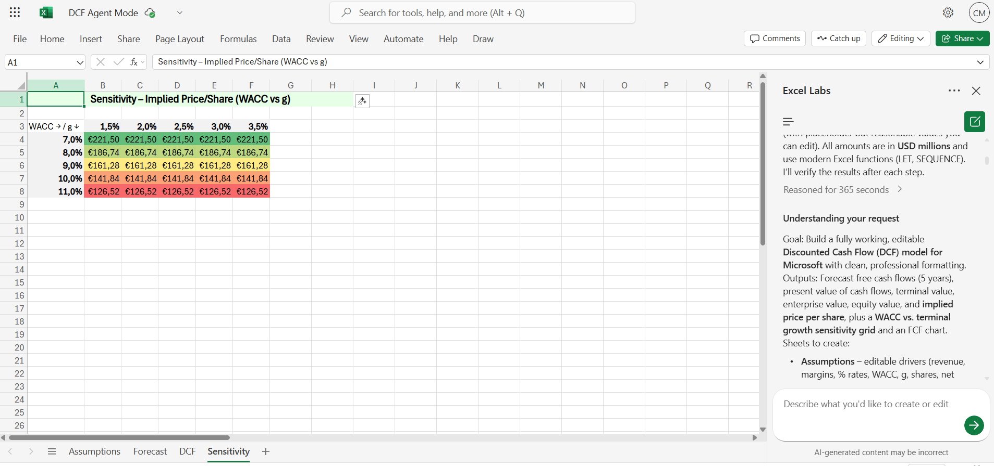

And even Next Steps!

Dashboard Example
Prompt: | Build a Variance Analysis dashboard comparing Budget vs. Actuals by Department and Month. Include KPIs for Revenue, Expenses, and Profit, show Variance and Variance %, and add a slicer for Department.

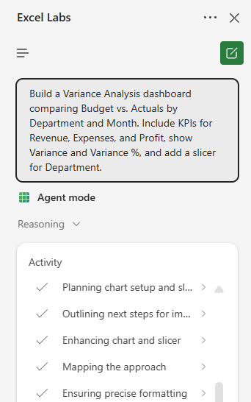

Agent Mode Working:

Result:

